3
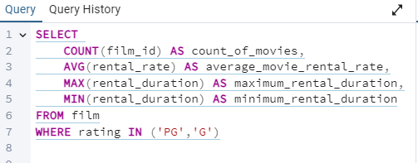
count_of_movies | average_movie_rental_rate | maximum_rental_duration | minimum_rental_duration
372 | 2.9738709677 | 7 | 3

4
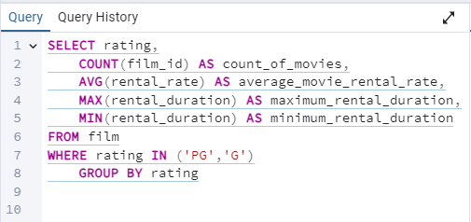
rating | count_of_movies | average_movie_rental_rate | maximum_rental_duration | minimum_rental_duration
PG | 194 | 3.0518556701 | 7 | 3
G | 178 | 2.8888764045 | 7 | 3

